גיליון1
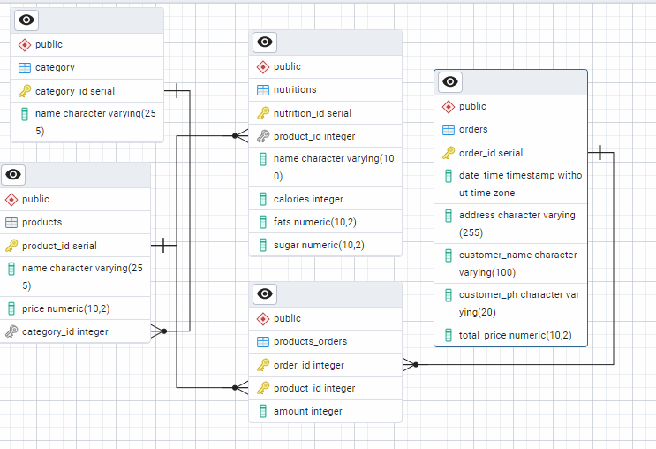
 |  |  |  |  |  |  |  |  |  | INSERT INTO category (name) VALUES ('Beverages'), ('Snacks'), ('Dairy'), ('Fruits'), ('Vegetables'); INSERT INTO products (name, price, category_id) VALUES ('Orange Juice', 5.99, 1), ('Chocolate Bar', 2.50, 2), ('Milk', 3.20, 3), ('Apple', 1.50, 4), ('Carrot', 0.99, 5), ('Coca Cola', 1.50, 1), -- Beverages ('Pepsi', 1.40, 1), -- Beverages ('Water Bottle', 0.99, 1), -- Beverages ('Orange Soda', 1.70, 1), -- Beverages ('Iced Tea', 2.00, 1), -- Beverages ('Potato Chips', 1.80, 2), -- Snacks ('Pretzels', 2.20, 2), -- Snacks ('Popcorn', 1.99, 2), -- Snacks ('Granola Bar', 1.50, 2), -- Snacks ('Cookies', 3.00, 2), -- Snacks ('Cheese', 4.50, 3), -- Dairy ('Yogurt', 1.25, 3), -- Dairy ('Butter', 3.75, 3), -- Dairy ('Cream Cheese', 2.50, 3),-- Dairy ('Ice Cream', 5.00, 3), -- Dairy ('Banana', 1.20, 4), -- Fruits ('Grapes', 2.99, 4), -- Fruits ('Mango', 1.75, 4), -- Fruits ('Pineapple', 3.00, 4), -- Fruits ('Strawberries', 2.80, 4);-- Fruits INSERT INTO nutritions (product_id, name, calories, fats, sugar) VALUES (1, 'Orange Juice', 120, 0.2, 20), (2, 'Chocolate Bar', 220, 12, 18), (3, 'Milk', 150, 8, 12), (4, 'Apple', 95, 0.3, 19), (5, 'Carrot', 41, 0.1, 5), (6, 'Coca Cola', 140, 0, 39), -- Coca Cola (7, 'Pepsi', 150, 0, 41), -- Pepsi (8, 'Water Bottle', 0, 0, 0), -- Water Bottle (9, 'Orange Soda', 160, 0, 44), -- Orange Soda (10, 'Iced Tea', 90, 0, 23), -- Iced Tea (11, 'Potato Chips', 160, 10, 1), -- Potato Chips (12, 'Pretzels', 110, 1, 1), -- Pretzels (13, 'Popcorn', 120, 5, 0), -- Popcorn (14, 'Granola Bar', 150, 6, 7), -- Granola Bar (15, 'Cookies', 250, 12, 18), -- Cookies (16, 'Cheese', 113, 9, 1), -- Cheese (17, 'Yogurt', 80, 1.5, 11), -- Yogurt (18, 'Butter', 100, 11, 0), -- Butter (19, 'Cream Cheese', 99, 10, 1), -- Cream Cheese (20, 'Ice Cream', 270, 14, 28), | category

 |  |  | 1 | products ל-category:
 |  |  |  | קשר: יחיד לרבים (One-to-Many) (products one to many category)
 | orders |  |  |  |  |  |  | category
PK | order_id | One | 2 | products ל-nutritions: |  |  | PK | category_id | One
 | date_time |  |  | קשר: יחיד ליחיד או יחיד לרבים (One-to-One או One-to-Many). |  |  |  | name |  |  | products
 | address
 | customer_name |  | 3 | orders ל-orders_products:
 | customer_ph |  |  | קשר: יחיד לרבים (One-to-Many). הסבר: כל הזמנה יכולה לכלול מספר שורות בטבלת orders_products, שכל שורה מייצגת מוצר אחד בהזמנה.
 | total_price

 |  |  | 4 | products ל-orders_products:
 |  |  |  | קשר: יחיד לרבים (One-to-Many). הסבר: כל מוצר יכול להופיע במספר שורות בטבלת orders_products, המייצגות הזמנות שונות שבהן המוצר נכלל.
 | products |  |  |  |  |  |  | nutritions
PK | product_id | One |  |  |  |  | PK | nutrition_id | One
 | name |  | 5 | orders ל-products (דרך orders_products) |  |  |  | product_id | Many
 | price |  |  | קשר: רבים לרבים (Many-to-Many). הסבר: כל הזמנה יכולה להכיל מספר מוצרים, וכל מוצר יכול להיכלל במספר הזמנות. |  |  |  | name
Many | category_id |  |  |  |  |  |  | calories
 |  |  |  | products_orders |  |  |  | fats
 |  |  | FK | order_id | Many | One |  | sugar
 |  |  | FK | product_id | Many
 |  |  |  | amount

 |  |  |  | CREATE TABLE category ( category_id SERIAL PRIMARY KEY, -- serial AI name VARCHAR(255) NOT NULL ); |  |  |  | category

 |  |  |  |  |  |  |  |  |  |  | nutritions
 |  |  |  | CREATE TABLE products ( product_id SERIAL PRIMARY KEY, -- serial AI name VARCHAR(255) NOT NULL, price DECIMAL(10, 2) NOT NULL, category_id INT NOT NULL, FOREIGN KEY (category_id) REFERENCES category(category_id) ON DELETE CASCADE ); |  |  |  | products

 |  |  |  | CREATE TABLE orders ( order_id SERIAL PRIMARY KEY, date_time TIMESTAMP NOT NULL, address VARCHAR(255) NOT NULL, customer_name VARCHAR(100) NOT NULL, customer_ph VARCHAR(20) NOT NULL, total_price DECIMAL(10, 2) NOT NULL ); |  |  |  | orders

 |  |  |  | CREATE TABLE nutritions ( nutrition_id SERIAL PRIMARY KEY, product_id INT NOT NULL, name VARCHAR(100) NOT NULL, calories INT NOT NULL, fats DECIMAL(10, 2) NOT NULL, sugar DECIMAL(10, 2) NOT NULL, FOREIGN KEY (product_id) REFERENCES products(product_id) ON DELETE CASCADE ); |  |  |  | nutritions
 |  |  |  |  |  |  |  |  |  |  | orders

 |  |  |  | CREATE TABLE products_orders ( order_id INT NOT NULL, product_id INT NOT NULL, amount INT NOT NULL, PRIMARY KEY (order_id, product_id), FOREIGN KEY (order_id) REFERENCES orders(order_id) ON DELETE CASCADE, FOREIGN KEY (product_id) REFERENCES products(product_id) ON DELETE CASCADE );
 |  |  |  |  |  |  |  | products_orders

 |  |  |  |  |  |  |  |  |  |  | products_orders

